ZC SWAP
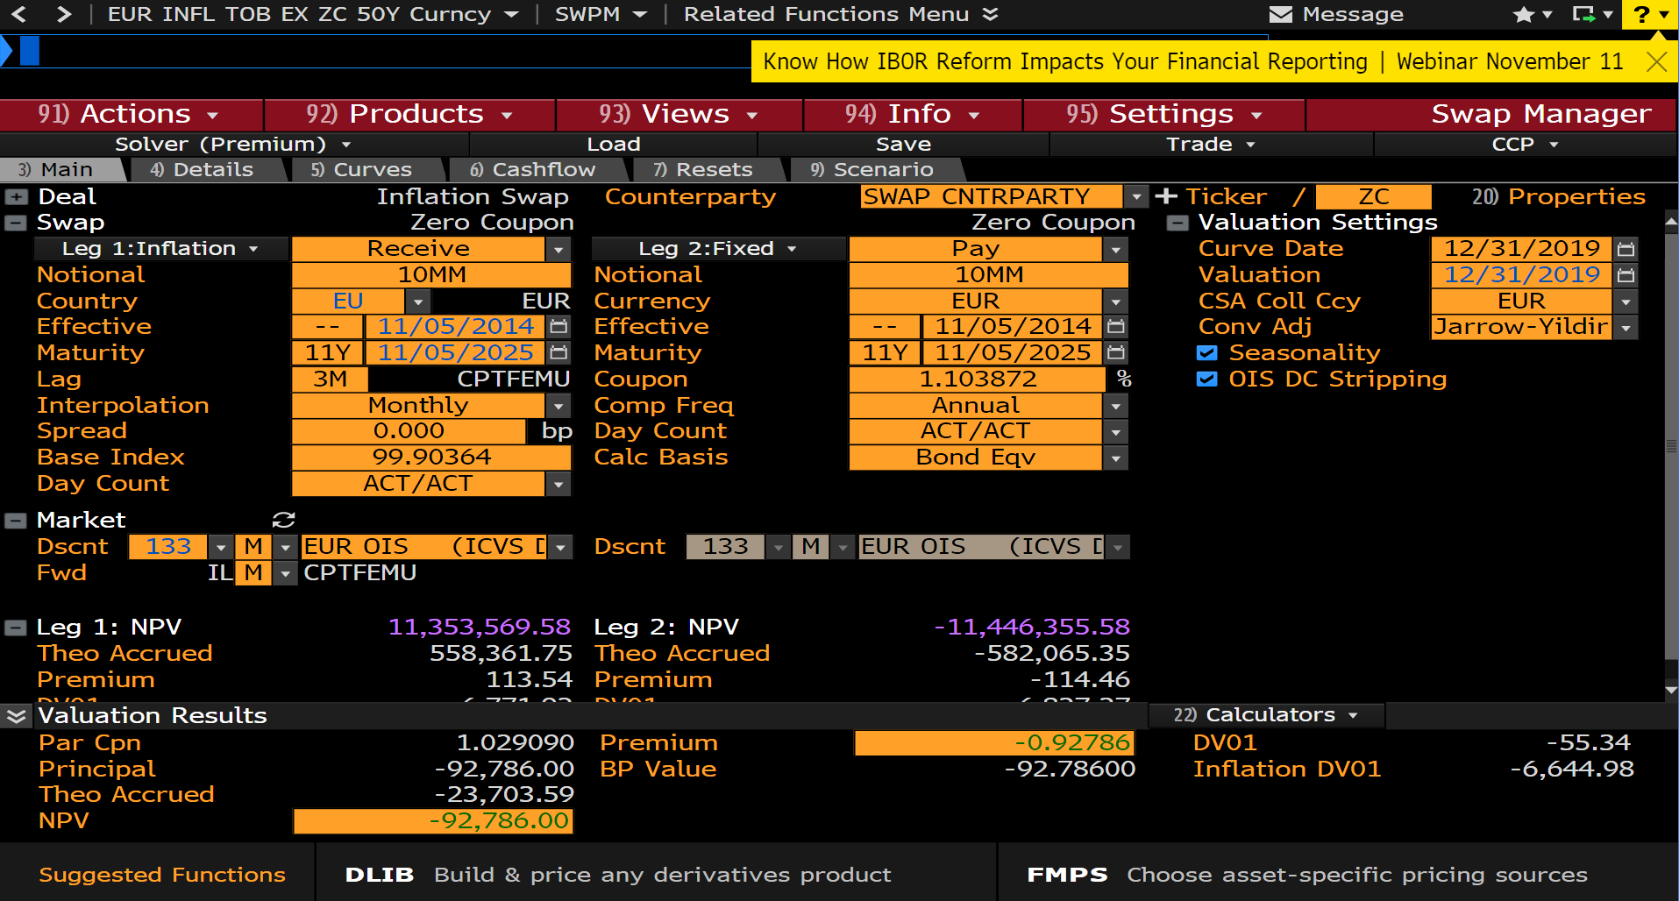
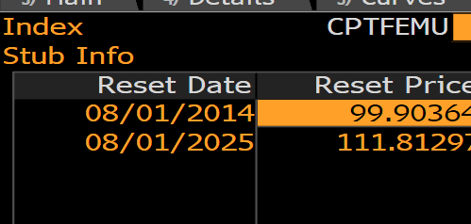
Pay Date | Accrual Start | Accrual End | Days | Notional | Principal | Reset Date | Reset Rate | Reset Price | Payment | Discount | PV
11/05/2025 | 11/05/2014 | 11/05/2025 | 4018 | 10000000 | 10000000 | 08/01/2025 | 11.92082 | 111.81297 | 11192081.58 | 1.014429 | 11353569.58

 |  |  |  |  |  |  | 1.1191191191 | 11191191.191 | 11352668.889

 |  |  |  |  |  | FX | 1.12126 |  | 12729293.518

YOY swap
Pay Date | Accrual Start | Accrual End | Days | Notional | Principal | Reset Date | Reset Rate | Reset Price | Payment | Discount | PV | Reset Date | Reset Rate
11/05/2020 | 11/05/2019 | 11/05/2020 | 366 | 10000000 | 0 | 08/01/2020 | 0.99903 | 105.83688 | 99945.71 | 1.003854 | 100330.94 | 08/01/2014 | 99.90364
11/05/2021 | 11/05/2020 | 11/05/2021 | 365 | 10000000 | 0 | 08/01/2021 | 0.98695 | 106.88229 | 98653.1 | 1.00822 | 99464.05 | 08/01/2015 | 99.95491
11/07/2022 | 11/05/2021 | 11/07/2022 | 367 | 10000000 | 0 | 08/01/2022 | 1.05784 | 108.01472 | 106363.96 | 1.011642 | 107602.23 | 08/01/2016 | 100.14
11/06/2023 | 11/07/2022 | 11/06/2023 | 364 | 10000000 | 0 | 08/01/2023 | 1.10312 | 109.20888 | 110010.19 | 1.013683 | 111515.46 | 08/01/2017 | 101.6
11/05/2024 | 11/06/2023 | 11/05/2024 | 365 | 10000000 | 0 | 08/01/2024 | 1.15404 | 110.47262 | 115136.8 | 1.014396 | 116794.28 | 08/01/2018 | 103.58
11/05/2025 | 11/05/2024 | 11/05/2025 | 365 | 10000000 | 0 | 08/01/2025 | 1.20952 | 111.81297 | 120900.68 | 1.014429 | 122645.13 | 08/01/2019 | 104.79
 |  |  |  |  |  |  |  |  |  |  |  | 08/01/2020 | 105.83688
 |  |  |  |  |  |  |  |  |  |  |  | 08/01/2021 | 106.88229
 |  |  |  |  |  |  |  |  |  |  |  | 08/01/2022 | 108.01472
 |  |  |  |  |  |  |  |  |  |  |  | 08/01/2023 | 109.20888
 |  |  |  |  |  |  |  |  |  |  |  | 08/01/2024 | 110.47262
 |  |  |  |  |  |  |  |  |  |  |  | 08/01/2025 | 111.81297
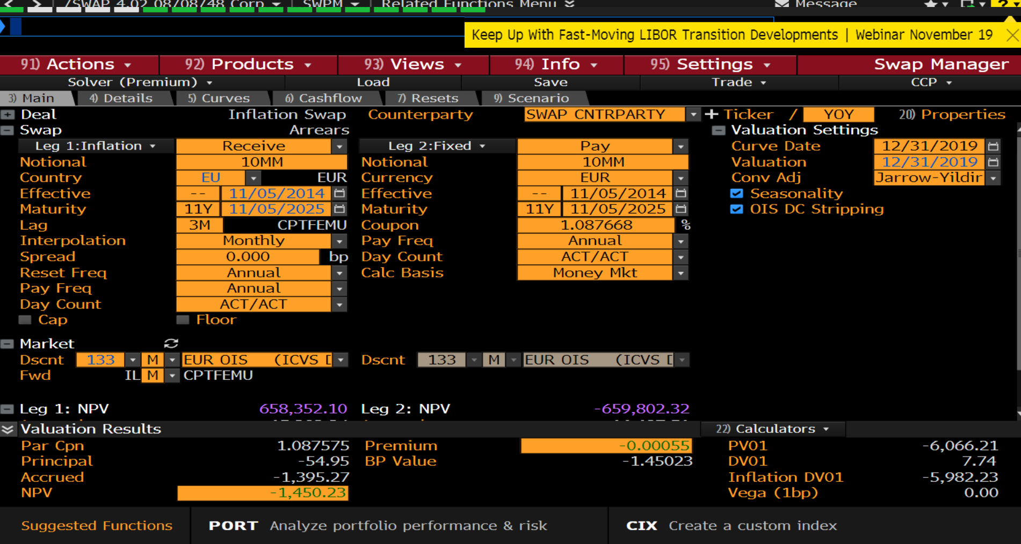

 |  |  |  |  |  |  |  |  |  |  |  | 100000 | 666,000

YoY swap semi ann
Pay Date | Accrual Start | Accrual End | Days | Notional | Principal | Reset Date | Reset Rate | Reset Price | Payment | Discount | PV |  | Reset Date | Reset Rate
05/05/2020 | 11/05/2019 | 05/05/2020 | 182 | 10000000 | 0 | 02/01/2020 | -0.6794 | 104.43501 | -33813.13 | 1.001556 | -33865.74 |  | 08/01/2014 | 99.90364 | -28970
11/05/2020 | 05/05/2020 | 11/05/2020 | 184 | 10000000 | 0 | 08/01/2020 | 2.66247 | 105.83688 | 133850.87 | 1.003854 | 134366.79 |  | 02/01/2015 | 99.01492
05/05/2021 | 11/05/2020 | 05/05/2021 | 181 | 10000000 | 0 | 02/01/2021 | -0.52553 | 105.56148 | -26038.18 | 1.006095 | -26196.89 |  | 08/01/2015 | 99.95491
11/05/2021 | 05/05/2021 | 11/05/2021 | 184 | 10000000 | 0 | 08/01/2021 | 2.48079 | 106.88229 | 125058.98 | 1.00822 | 126086.99 |  | 02/01/2016 | 98.83
05/05/2022 | 11/05/2021 | 05/05/2022 | 181 | 10000000 | 0 | 02/01/2022 | -0.47789 | 106.62987 | -23698.04 | 1.010027 | -23935.65 |  | 08/01/2016 | 100.14
11/07/2022 | 05/05/2022 | 11/07/2022 | 186 | 10000000 | 0 | 08/01/2022 | 2.54653 | 108.01472 | 129768.37 | 1.011642 | 131279.12 |  | 02/01/2017 | 100.77
05/05/2023 | 11/07/2022 | 05/05/2023 | 179 | 10000000 | 0 | 02/01/2023 | -0.43318 | 107.78654 | -21243.63 | 1.012856 | -21516.74 |  | 08/01/2017 | 101.6
11/06/2023 | 05/05/2023 | 11/06/2023 | 185 | 10000000 | 0 | 08/01/2023 | 2.6007 | 109.20888 | 131816.28 | 1.013683 | 133619.93 |  | 02/01/2018 | 101.84
05/06/2024 | 11/06/2023 | 05/06/2024 | 182 | 10000000 | 0 | 02/01/2024 | -0.37659 | 109.00551 | -18742.52 | 1.01415 | -19007.73 |  | 08/01/2018 | 103.58
11/05/2024 | 05/06/2024 | 11/05/2024 | 183 | 10000000 | 0 | 08/01/2024 | 2.68097 | 110.47262 | 134048.33 | 1.014396 | 135978.06 | 0.49863013699 | 02/01/2019 | 103.06
05/05/2025 | 11/05/2024 | 05/05/2025 | 181 | 10000000 | 0 | 02/01/2025 | -0.32378 | 110.29729 | -16042.22 | 1.01454 | -16275.48 |  | 08/01/2019 | 104.79
11/05/2025 | 05/05/2025 | 11/05/2025 | 184 | 10000000 | 0 | 08/01/2025 | 2.72185 | 111.81297 | 137211.27 | 1.014429 | 139191.06 | -0.67823074427 | 02/01/2020 | 104.43501
 |  |  |  |  |  |  |  |  |  |  |  | -0.67938781802 | 08/01/2020 | 105.83688
 |  |  |  |  |  |  |  |  |  |  |  |  | 02/01/2021 | 105.56148
 |  |  |  |  |  |  |  |  |  |  |  |  | 08/01/2021 | 106.88229
 |  |  |  |  |  |  |  |  |  |  |  |  | 02/01/2022 | 106.62987
 |  |  |  |  |  |  |  |  |  |  |  |  | 08/01/2022 | 108.01472

 |  |  |  |  |  |  |  |  |  |  |  |  | 02/01/2023 | 107.78654
 |  |  |  |  |  |  |  |  |  |  |  |  | 08/01/2023 | 109.20888
 |  |  |  |  |  |  |  |  |  |  |  |  | 02/01/2024 | 109.00551
 |  |  |  |  |  |  |  |  |  |  |  |  | 08/01/2024 | 110.47262
 |  |  |  |  |  |  |  |  |  |  |  |  | 02/01/2025 | 110.29729
 |  |  |  |  |  |  |  |  |  |  |  |  | 08/01/2025 | 111.81297

